GB weight distribution
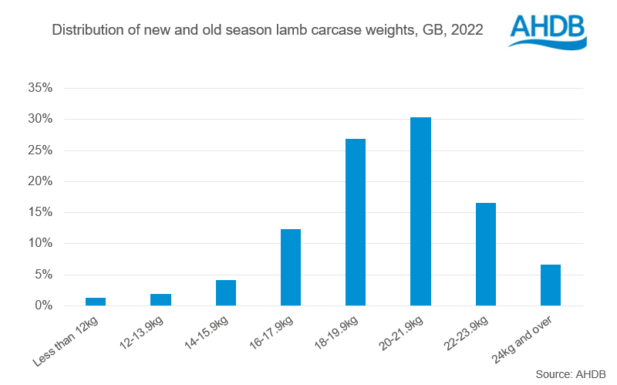
Great Britain annual sheep carcases by weight bands
Source: AHDB
Units: Kg
Last updated: 12/01/2023

Distribution of new and old season lamb carcase weights, GB, 2022

